BUG_TS_012_001
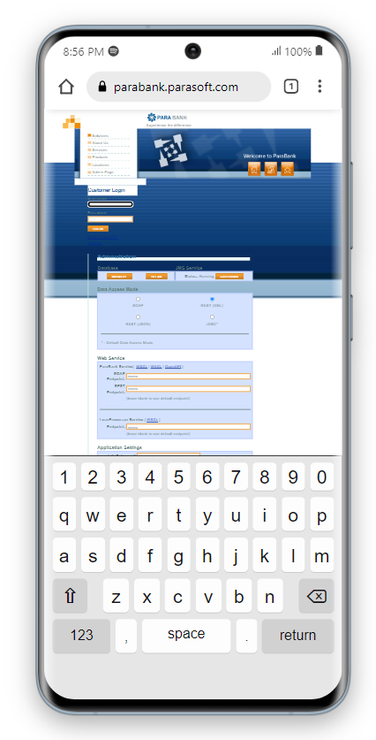
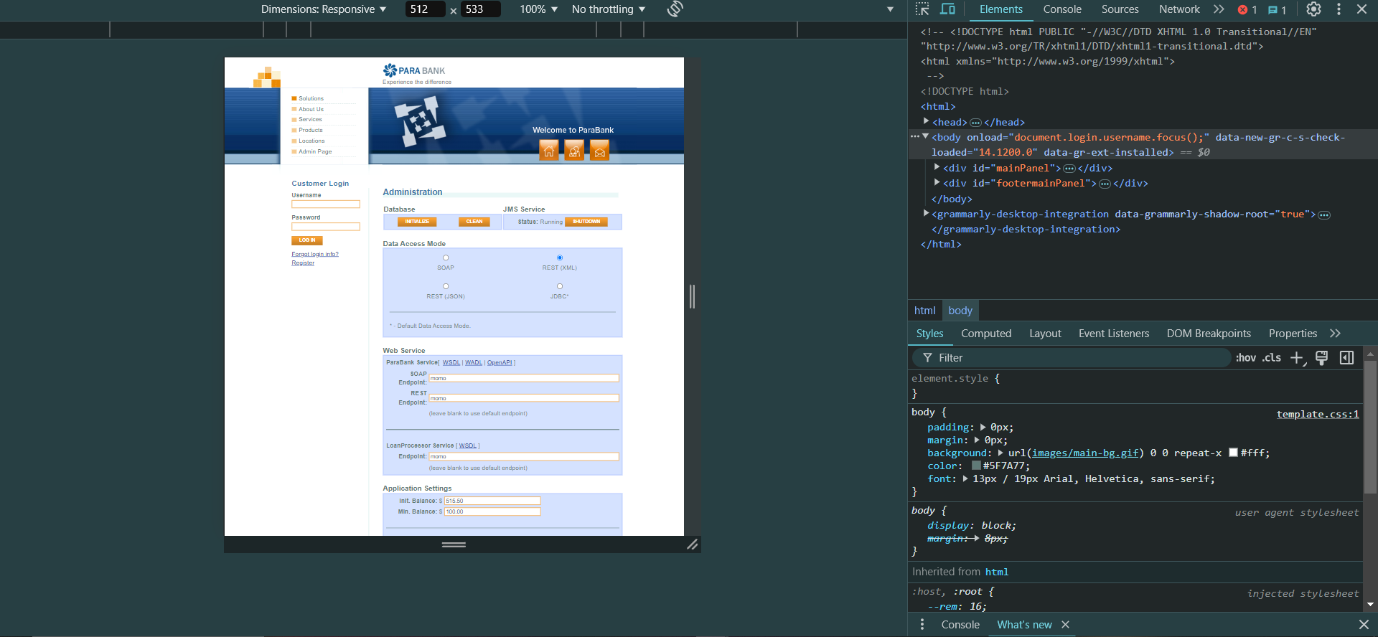
Category | Label | Value
Bug ID | ID number | BUG_TS_012_001
 | Name | Verify the UI responsiveness across different screen sizes
 | Reporter | George Magdy
 | Submit Date | 2024-10-11
 | TC ID | TS_012
Bug overview | Summary | site has know nothing about responsiveness
 | URL | https://parabank.parasoft.com/parabank/admin.htm?isJmsRunning=true&loanProviders=jms&loanProviders=ws&loanProviders=local&loanProcessors=funds&loanProcessors=down&loanProcessors=combined&message=jms.shutdown.success
 | Screenshot (Evidence) | Attached in excell sheet
Environment | Platform | HP
 | Operating System | Windows10
 | Browser | Chrome Version 129.0.6668.101 (Official Build) (64-bit)
Bug details | Steps to reproduce | Simplified steps for the testcase
 | Expected result | page to be responsiveness to be suitable for many devices as possible to achieve user needs
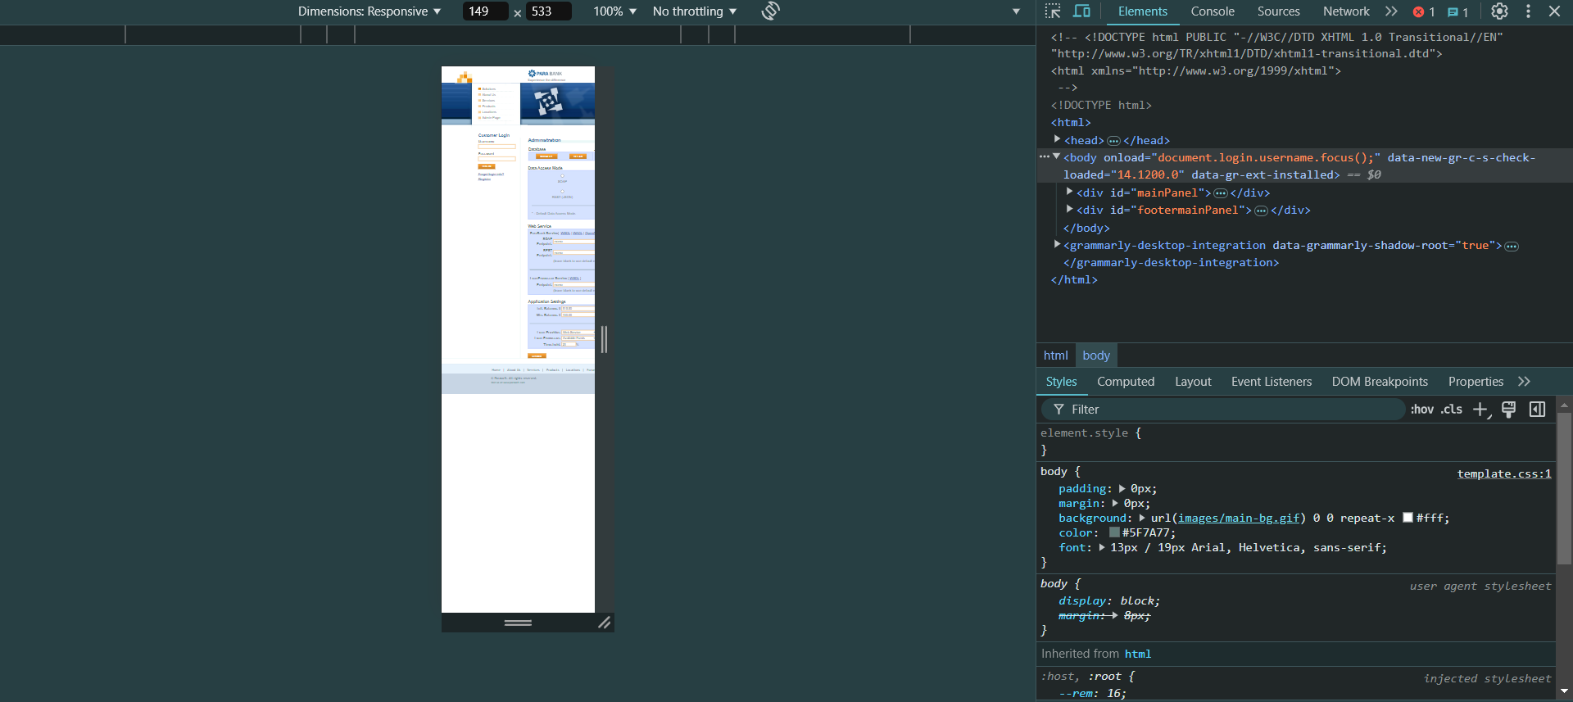
 | Actual result | User is able to login and redirected to home page
 | Description
Bug tracking | Severity (Critical - Major -Minor) | Minor
 | Assigned to | Developer
 | Priority(High - Medium - Low) | High
Notes | Notes

BUG_TS_011_001
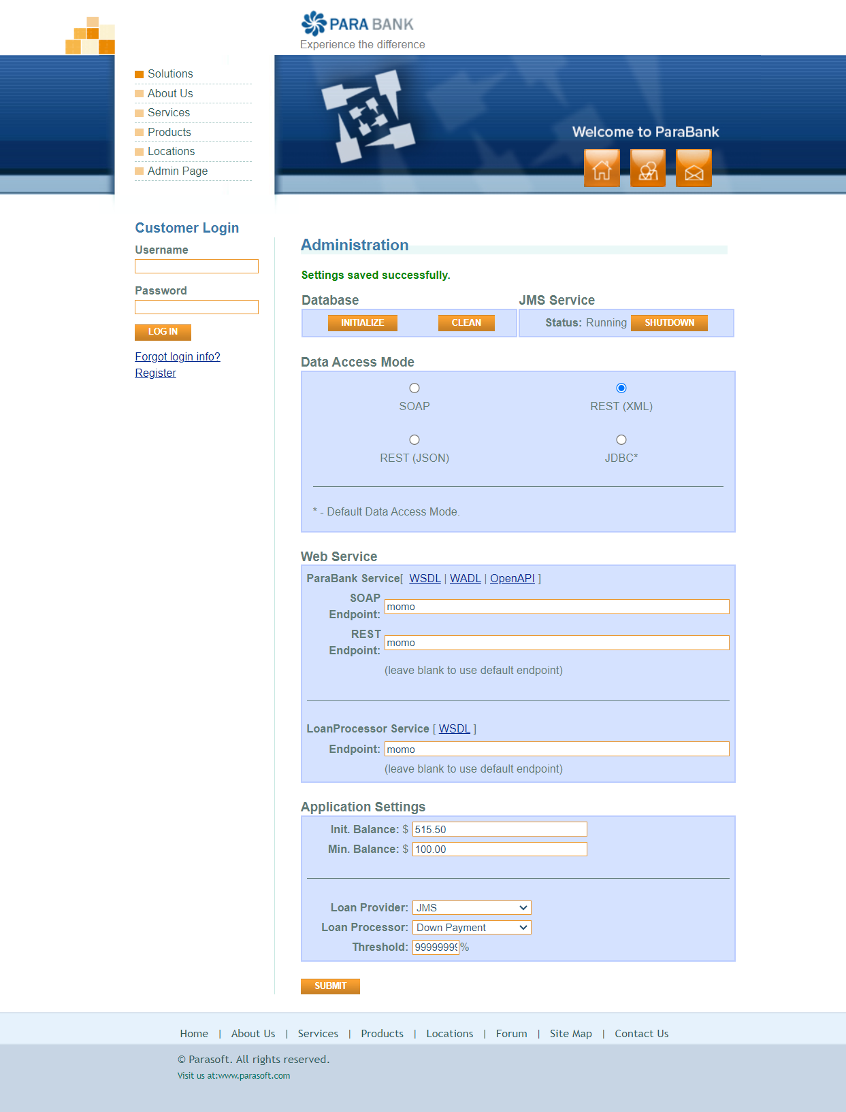

Category | Label | Value
Bug ID | ID number | BUG_TS_011_001
 | Name | Test the "Threshold" input field
 | Reporter | George Magdy
 | Submit Date | 2024-10-11
 | TC ID | TS_011
Bug overview | Summary | Error in the threshold input for loan processor And the Error message appears did not clarify the max amout
 | URL | https://parabank.parasoft.com/parabank/admin.htm?isJmsRunning=true&loanProviders=jms&loanProviders=ws&loanProviders=local&loanProcessors=funds&loanProcessors=down&loanProcessors=combined&message=jms.shutdown.success
 | Screenshot (Evidence) | Attached in excell sheet
Environment | Platform | George Magdy
 | Operating System | Windows10
 | Browser | Chrome Version 129.0.6668.101 (Official Build) (64-bit)
Bug details | Steps to reproduce | Simplified steps for the testcase
 | Expected result | The system should accept valid percentage values and display error messages for invalid input.
 | Actual result | the input field accept up to 9 digits % and that is not reasonable and the error meassage for the bigger inputs didn't clarify the max percentage
 | Description
Bug tracking | Severity (Critical - Major -Minor) | Major
 | Assigned to | Developer
 | Priority(High - Medium - Low) | High
Notes | Notes

BUG_TS_009_001
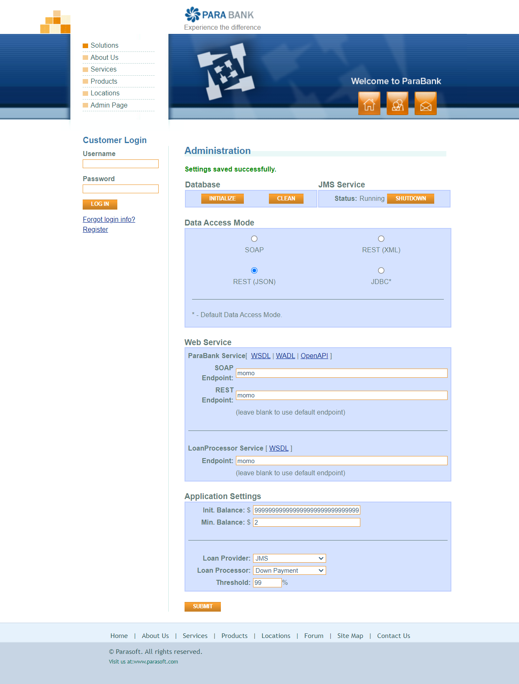
Category | Label | Value
Bug ID | ID number | BUG_TS_009_001
 | Name | Test the initial balance and minimum balance huge input
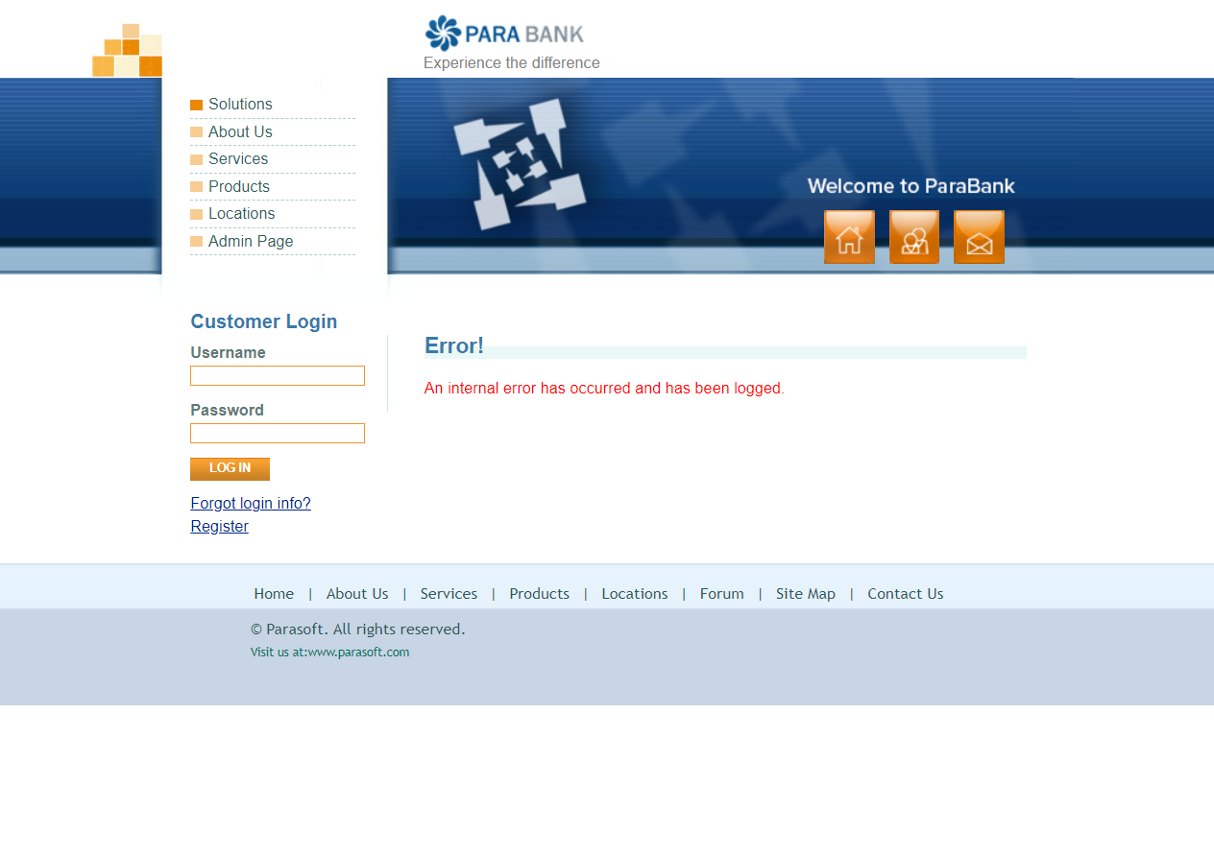
 | Reporter | George Magdy
 | Submit Date | 2024-10-11
 | TC ID | TS_009
Bug overview | Summary | Page Crashes When entering huge number not giving error messages or any alerts
 | URL | https://parabank.parasoft.com/parabank/admin.htm?isJmsRunning=true&loanProviders=jms&loanProviders=ws&loanProviders=local&loanProcessors=funds&loanProcessors=down&loanProcessors=combined&message=jms.shutdown.success
 | Screenshot (Evidence) | Attached in excell sheet
Environment | Platform | HP
 | Operating System | Windows10
 | Browser | Chrome Version 129.0.6668.101 (Official Build) (64-bit)
Bug details | Steps to reproduce | Simplified steps for the testcase
 | Expected result | the input field must handle the case of valid and invalid inputs
 | Actual result | the input filed accepts any number of digits untill the internal system can't hold the value so the system crashes
 | Description
Bug tracking | Severity (Critical - Major -Minor) | Critical
 | Assigned to | Developer
 | Priority(High - Medium - Low) | High
Notes | Notes

